Pregunta 1 TD1
 |  | FIGURA 1

Use la Tabla T_Productos (está con Nombre, sólo usarla)

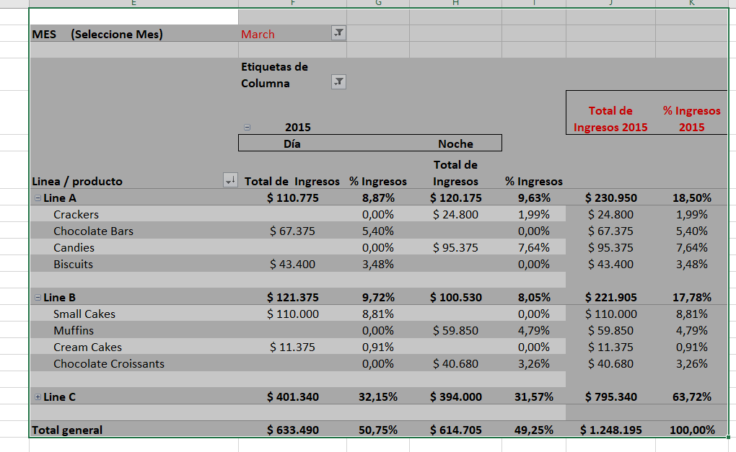
Mes (Seleccione Mes) | March

 | Etiquetas de columna
 | 2015 |  |  |  | Total de Ingresos 2015 | % Ingresos 2015
 | Día |  | Noche
Linea / producto | Total de Ingresos | % Ingresos | Total de Ingresos | % Ingresos
Line A | $110,775 | 8.87% | $120,175 | 9.63% | $230,950 | 18.50%
Crackers |  | 0.00% | $24,800 | 1.99% | $24,800 | 1.99%
Chocolate Bars | $67,375 | 5.40% |  | 0.00% | $67,375 | 5.40%
Candies |  | 0.00% | $95,375 | 7.64% | $95,375 | 7.64%
Biscuits | $43,400 | 3.48% |  | 0.00% | $43,400 | 3.48%

Line B | $121,375 | 9.72% | $100,530 | 8.05% | $221,905 | 17.78%
Small Cakes | $110,000 | 8.81% |  | 0.00% | $110,000 | 8.81%
Muffins |  | 0.00% | $59,850 | 4.79% | $59,850 | 4.79%
Cream Cakes | $11,375 | 0.91% |  | 0.00% | $11,375 | 0.91%
Chocolate Croissants |  | 0.00% | $40,680 | 3.26% | $40,680 | 3.26%

Line C | $401,340 | 32.15% | $394,000 | 31.57% | $795,340 | 63.72%

Total general | $633,490 | 50.75% | $614,705 | 49.25% | $1,248,195 | 100.00%

Pregunta 2 TD 2
 |  | FIGURA 2

Usar Tabla T_empleados ( está lista)

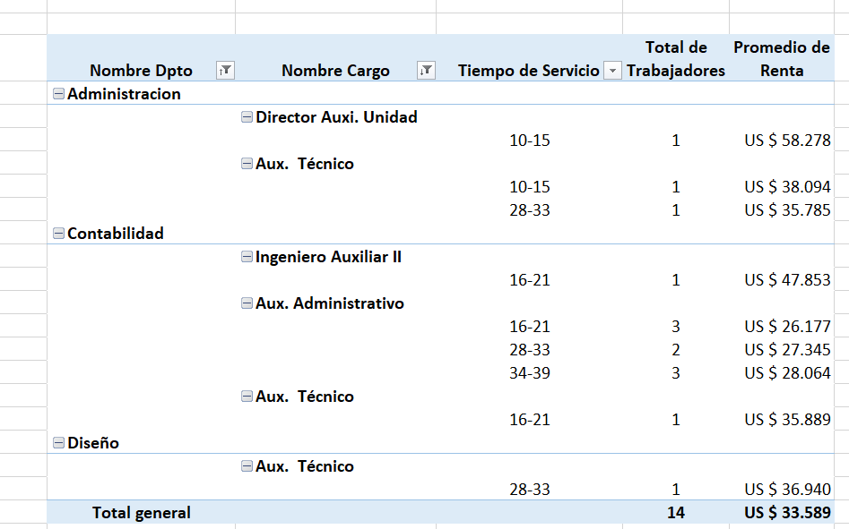

Nombre Dpto | Nombre Cargo | Tiempo de Servicio | total de trabajadores | Promedio de Renta
Administracion
 | Director Auxi. Unidad
 |  | 10-15 | 1 | US $ 58,278
 | Aux. Técnico
 |  | 10-15 | 1 | US $ 38,094
 |  | 28-33 | 1 | US $ 35,785
Contabilidad
 | Ingeniero Auxiliar II
 |  | 16-21 | 1 | US $ 47,853
 | Aux. Administrativo
 |  | 16-21 | 3 | US $ 26,177
 |  | 28-33 | 2 | US $ 27,345
 |  | 34-39 | 3 | US $ 28,064
 | Aux. Técnico
 |  | 16-21 | 1 | US $ 35,889
Diseño
 | Aux. Técnico
 |  | 28-33 | 1 | US $ 36,940
Total general |  |  | 14 | US $ 33,589

